Capex tracker
Tool type | Soft tool | Soft tool EC | Hard tool | Hard tool EC
Product category | RCS POD | RCS DEVICE | MODI | HP | MO

Project | Product Category | Part Name | Part No. | Supplier | Year | Month | Stage | Data Submit Date | Cavity | Tooling Capacity Per Month | Total Capacity Per Month | Tooling life | Tool type | Kick off date | Tool Unit cost | Q'ty | Total Tool cost | Requested by Whom | Approval Status | Payment Status | Remark | Email
KUMA E-Box ROW | RCS DEVICE | Top cover | 130040670013934 | Dongguan Wellsun Plastic | 2023 | 12 | DP | 2024-11-01 | 16 | 812,968 | 812,968 | 1,000,000 | Hard tool | 2023-12-23 | ¥650,000 | 1 | ¥650,000 | Chris | Approved | No | 16 cavities | ok
KUMA E-Box ROW | RCS DEVICE | Top cover | 130040670013934 | Dongguan Wellsun Plastic | 2024 | 4 | DP | 2024-11-01 | 8 | 406,484 | 406,484 | 1,000,000 | Hard tool | 2024-04-08 | ¥450,000 | 1 | ¥450,000 | Chris | Approved | No | 8 cavities | ok
KUMA E-Box ROW | RCS DEVICE | Bottom cover | 130040670019337 | Dongguan Wellsun Plastic | 2023 | 12 | DP | 2024-11-01 | 16 | 978,432 | 978,432 | 1,000,000 | Hard tool | 2023-12-23 | ¥535,000 | 1 | ¥535,000 | Chris | Approved | No | 16 cavities | ok,share with item 6
KUMA E-Box ROW | RCS DEVICE | Bottom cover | 130040670019337 | Dongguan Wellsun Plastic | 2024 | 4 | DP | 2024-11-01 | 8 | 489,216 | 489,216 | 1,000,000 | Hard tool | 2024-04-08 | ¥350,000 | 1 | ¥350,000 | Chris | Approved | No | 8 cavities | ok,share with item 7
KUMA E-Box ROW | RCS DEVICE | Button | 130040670019383 | Dongguan Wellsun Plastic | 2023 | 12 | DP | 2024-11-01 | 16 | 1,397,760 | 1,397,760 | 1,000,000 | Hard tool | 2023-12-23 | ¥250,000 | 1 | ¥250,000 | Chris | Approved | No |  | ok,share with item 6
KUMA E-Box ROW | RCS DEVICE | PCBA holder | 130040670013937 | Dongguan Wellsun Plastic | 2023 | 12 | DP | 2024-11-01 | 16 | 1,223,040 | 1,223,040 | 1,000,000 | Hard tool | 2023-12-23 | ¥432,000 | 1 | ¥432,000 | Chris | Approved | No |  | ok,share with item 6
KUMA E-Box ROW | RCS DEVICE | Light guide | 130040670019391 | Dongguan Wellsun Plastic | 2023 | 12 | DP | 2024-11-01 | 16 | 1,467,648 | 1,467,648 | 1,000,000 | Hard tool | 2023-12-23 | ¥225,000 | 1 | ¥225,000 | Chris | Approved | No |  | ok,share with item 6
Box 8000 Full 2.0 | MODI | Cartridge tank | 130040670043027 | Dongguan Wellsun Plastic | 2024 | 5 | DP | 2024-11-01 | 8 | 406,484 | 406,484 | 1,000,000 | Hard tool | 2024-05-05 | ¥378,000 | 1 | ¥378,000 | Chris | Approved | No |  | OK
Box 8000 Full 2.0 | MODI | Cartridge tank | 130040670043027 | Dongguan Wellsun Plastic | 2024 | 6 | DP | 2024-11-01 | 2 |  | 0 | 500,000 | Hard tool EC | 2024-06-06 | ¥33,628 | 1 | ¥33,628 | Chris | Approved | No
Box 8000 Full 2.0 | MODI | Cartridge tank | 130040670043027 | Dongguan Wellsun Plastic | 2024 | 7 | DP | 2024-11-01 | 8 |  | 0 | 1,000,000 | Hard tool EC | 2024-07-01 | ¥5,752 | 1 | ¥5,752 | Chris | Approved | No
Box 8000 Full 2.0 | MODI | Cartridge tank | 130040670043027 | Dongguan Wellsun Plastic | 2024 | 7 | DP | 2024-11-01 | 8 |  | 0 | 1,000,000 | Hard tool EC | 2024-07-31 | ¥7,947 | 1 | ¥7,947 | Chris | Approved | No
Box 8000 Full 2.0 | MODI | Cartridge tank | 130040670043027 | Dongguan Wellsun Plastic | 2024 | 8 | DP | 2024-11-01 | 8 |  | 0 | 1,000,000 | Hard tool EC | 2024-08-07 | ¥7,920 | 1 | ¥7,920 | Chris | Approved | No
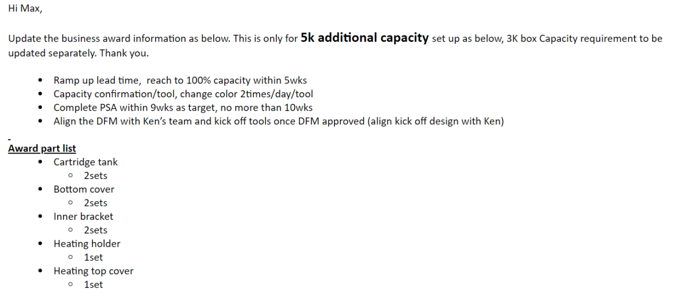
Box 5000 Full 2.0 | MODI | Cartridge tank | 130040670023444 | Dongguan Wellsun Plastic | 2024 | 5 | DP | 2024-11-01 | 16 | 812,968 | 1,625,936 | 1,000,000 | Hard tool | 2024-05-17 | ¥550,000 | 2 | ¥1,100,000 | Chris | Approved | No |  | OK
Box 5000 Full 2.0 | MODI | Heater top cover | 130040670023445 | Dongguan Wellsun Plastic | 2024 | 5 | DP | 2024-11-01 | 32 | 2,257,918 | 2,257,918 | 1,000,000 | Hard tool | 2024-05-17 | ¥750,000 | 1 | ¥750,000 | Chris | Approved | No |  | OK
Box 5000 Full 2.0 | MODI | Heating holder | 130040670023448 | Dongguan Wellsun Plastic | 2024 | 5 | DP | 2024-11-01 | 32 | 2,257,918 | 2,257,918 | 1,000,000 | Hard tool | 2024-05-17 | ¥720,000 | 1 | ¥720,000 | Chris | Approved | No |  | OK
Box 5000 Full 2.0 | MODI | Bottom cover | 130040670023442 | Dongguan Wellsun Plastic | 2024 | 5 | DP | 2024-11-01 | 16 | 1,174,108 | 2,348,216 | 1,000,000 | Hard tool | 2024-05-17 | ¥500,000 | 2 | ¥1,000,000 | Chris | Approved | No |  | OK
Box 5000 Full 2.0 | MODI | Inner bracket | 130040670023440 | Dongguan Wellsun Plastic | 2024 | 5 | DP | 2024-11-01 | 16 | 1,087,138 | 2,174,276 | 1,000,000 | Hard tool | 2024-05-17 | ¥560,000 | 2 | ¥1,120,000 | Chris | Approved | No |  | OK
KUMA E-Box ROW | RCS DEVICE | Bottom cover-KC | 130040670019338 | Dongguan Wellsun Plastic | 2024 | 3 | DP | 2024-11-01 | 4 | 209,664 | 209,664 | 1,000,000 | Hard tool | 2024-03-14 | ¥219,000 | 1 | ¥219,000 | Chris | Approved | No |  | OK
Pen 800 Default 2.0 | MODI | Bottom cover | 130040670021244 | Dongguan Wellsun Plastic | 2023 | 10 | DP | 2024-11-01 | 32 | 2,188,784 | 2,188,784 | 1,000,000 | Hard tool | 2023-10-26 | ¥500,000 | 1 | ¥500,000 | Chris | Approved | No |  | OK | 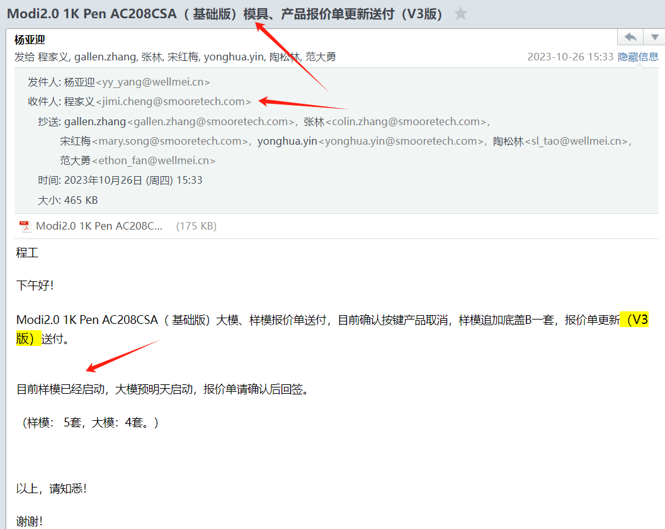
Pen 800 Default 2.0 | MODI | Bottom cover | 130040670021244 | Dongguan Wellsun Plastic | 2024 | 3 | DP | 2024-11-01 | 32 | 2,188,784 | 2,188,784 | 1,000,000 | Hard tool | 2024-03-12 | ¥450,000 | 1 | ¥450,000 | Chris | Approved | No |  | OK
Pen 800 Default 2.0 | MODI | Bottom cover | 130040670021244 | Dongguan Wellsun Plastic | 2023 | 11 | DP | 2024-11-01 | 32 |  | 0 | 1,000,000 | Hard tool EC | 2023-11-11 | ¥18,584 | 1 | ¥18,584 | Chris | Approved | No
Pen 800 Default 2.0 | MODI | Heating holder | 130040670034735 | Dongguan Wellsun Plastic | 2023 | 11 | DP | 2024-11-01 | 32 |  | 0 | 1,000,000 | Hard tool EC | 2023-11-19 | ¥128,319 | 1 | ¥128,319 | Chris | Approved | No
Pen 800 Default 2.0 | MODI | Heating holder | 130040670034735 | Dongguan Wellsun Plastic | 2023 | 12 | DP | 2024-11-01 | 32 |  | 0 | 1,000,000 | Hard tool EC | 2023-12-13 | ¥27,434 | 1 | ¥27,434 | Chris | Approved | No
Pen 800 Default 2.0 | MODI | Bottom cover | 130040670021244 | Dongguan Wellsun Plastic | 2023 | 12 | DP | 2024-11-01 | 32 |  | 0 | 1,000,000 | Hard tool EC | 2023-12-13 | ¥75,221 | 1 | ¥75,221 | Chris | Approved | No
Pen 800 Default 2.0 | MODI | Cartridge tank | 130040670034715 | Dongguan Wellsun Plastic | 2023 | 10 | DP | 2024-11-01 | 32 | 1,896,960 | 1,896,960 | 1,000,000 | Hard tool | 2023-10-26 | ¥560,000 | 1 | ¥560,000 | Chris | Approved | No |  | OK, share with item 56
Pen 800 Default 2.0 | MODI | Cartridge tank | 130040670034715 | Dongguan Wellsun Plastic | 2023 | 12 | DP | 2024-11-01 | 32 |  | 0 | 1,000,000 | Hard tool EC | 2023-12-13 | ¥278,761 | 1 | ¥278,761 | Chris | Approved | No
Pen 800 Default 2.0 | MODI | Cartridge tank | 130040670034715 | Dongguan Wellsun Plastic | 2023 | 12 | DP | 2024-11-01 | 32 |  | 0 | 1,000,000 | Hard tool EC | 2023-12-15 | ¥20,796 | 1 | ¥20,796 | Chris | Approved | No
Pen 800 Default 2.0 | MODI | Cartridge tank | 130040670034715 | Dongguan Wellsun Plastic | 2024 | 1 | DP | 2024-11-01 | 32 |  | 0 | 1,000,000 | Hard tool EC | 2024-01-10 | ¥24,602 | 1 | ¥24,602 | Chris | Approved | No
Pen 800 Default 2.0 | MODI | Heater top cover | 130040670021246 | Dongguan Wellsun Plastic | 2023 | 10 | DP | 2024-11-01 | 32 | 2,552,420 | 2,552,420 | 1,000,000 | Hard tool | 2023-10-26 | ¥600,000 | 1 | ¥600,000 | Chris | Approved | No |  | OK, share with item 56
Pen 800 Default 2.0 | MODI | Heating holder | 130040670034735 | Dongguan Wellsun Plastic | 2023 | 10 | DP | 2024-11-01 | 32 | 2,348,216 | 2,348,216 | 1,000,000 | Hard tool | 2023-10-26 | ¥600,000 | 1 | ¥600,000 | Chris | Approved | No |  | OK, share with item 56
DP1500 | MODI | Battery tube | 130040660001514 | Dongguan Wellsun Plastic | 2022 | 11 | DP | 2024-11-01 | 16 | 978,432 | 1,956,864 | 1,000,000 | Hard tool | 2022-11-09 | ¥546,000 | 2 | ¥1,092,000 | Chris | Approved | No
DP1500 | MODI | Mouth piece | 13004013040453X | Dongguan Wellsun Plastic | 2022 | 11 | DP | 2024-11-01 | 16 | 978,432 | 1,956,864 | 1,000,000 | Hard tool | 2022-11-09 | ¥455,000 | 2 | ¥910,000 | Chris | Approved | No
Alto Pod | RCS POD | Cartridge Tube | 130010390000214 | Indonesia Wellsun Plastic | 2022 | 6 | DP | 2024-11-01 | 16 | 1,241,856 | 21,111,552 | 1,000,000 | Hard tool | 2022-06-15 | ¥1,401,456.11 | 17 | ¥23,824,753.94 | Chris | Approved | No | 印尼项目美金结算
Alto Pod | RCS POD | Heating Holder | 130010390000215 | Indonesia Wellsun Plastic | 2022 | 6 | DP | 2024-11-01 | 32 | 3,089,786 | 21,628,502 | 1,000,000 | Hard tool | 2022-06-15 | ¥1,374,234.67 | 7 | ¥9,619,642.71 | Chris | Approved | No | 印尼项目美金结算
Alto Pod | RCS POD | Cartomizer Holder Tap | 130010390000216 | Indonesia Wellsun Plastic | 2022 | 6 | DP | 2024-11-01 | 32 | 3,075,072 | 21,525,504 | 1,000,000 | Hard tool | 2022-06-15 | ¥748,808.68 | 7 | ¥5,241,660.77 | Chris | Approved | No | 印尼项目美金结算
Alto Pod | RCS POD | Heater top cover | 130010390000221 | Indonesia Wellsun Plastic | 2022 | 6 | DP | 2024-11-01 | 32 | 3,089,786 | 21,628,502 | 1,000,000 | Hard tool | 2022-06-15 | ¥1,358,562.87 | 7 | ¥9,509,940.08 | Chris | Approved | No | 印尼项目美金结算

Alto Pod | RCS POD | Cartridge Tube | 130010390000214 | Indonesia Wellsun Plastic | 2024 | 10 | POA | 2024-11-14 | 16 | 1,241,856 | 16,144,128 | 1,000,000 | Hard tool | 2024-10-28 | ¥669,240.00 | 13 | ¥8,700,120.00 | Chris | Approved | No | 印尼项目美金结算 | OK
Alto Pod | RCS POD | Heating Holder | 130010390000215 | Indonesia Wellsun Plastic | 2024 | 10 | POA | 2024-11-14 | 32 | 3,089,786 | 15,448,930 | 1,000,000 | Hard tool | 2024-10-28 | ¥828,713.60 | 5 | ¥4,143,568.00 | Chris | Approved | No | 印尼项目美金结算 | OK
Alto Pod | RCS POD | Cartomizer Holder Tap | 130010390000216 | Indonesia Wellsun Plastic | 2024 | 10 | POA | 2024-11-14 | 32 | 3,075,072 | 18,450,432 | 1,000,000 | Hard tool | 2024-10-28 | ¥643,864.65 | 6 | ¥3,863,187.90 | Chris | Approved | No | 印尼项目美金结算 | OK
Alto Pod | RCS POD | Heater top cover | 130010390000221 | Indonesia Wellsun Plastic | 2024 | 10 | POA | 2024-11-14 | 32 | 3,089,786 | 15,448,930 | 1,000,000 | Hard tool | 2024-10-28 | ¥828,713.60 | 5 | ¥4,143,568.00 | Chris | Approved | No | 印尼项目美金结算 | OK

